DuPont Analysis
DuPont Analysis

Net Profit
Revenue
Net Profit Margin
Asset Turnover Ratio
Average Shareholder's Equity
Average Total Assets
Net Profit
Revenue
Net Profit Margin
Asset Turnover Ratio
Average Shareholder's Equity
Average Total Assets

Company - HUL |  |  |  |  |  | Company - Dabur
Return on Equity (ROE %) | 79.81% | 83.76% | 28.60% | 18.38% | 20.37% | Return on Equity (ROE %) | 25.38% | 23.53% | 23.64% | 21.61% | 19.05%

ROE - Breakdown Equation |  |  |  |  |  | ROE - Breakdown Equation
Particulars | FY2019 | FY2020 | FY2021 | FY2022 | FY2023 | Particulars | FY2019 | FY2020 | FY2021 | FY2022 | FY2023
Net Profit | ₹ 6,060.00 | ₹ 6,756.00 | ₹ 7,999.00 | ₹ 8,892.00 | ₹ 10,143.00 | Net Profit | ₹ 1,446.25 | ₹ 1,447.92 | ₹ 1,694.95 | ₹ 1,742.30 | ₹ 1,701.33
Revenue from operations | ₹ 39,310.00 | ₹ 39,783.00 | ₹ 47,028.00 | ₹ 52,446.00 | ₹ 60,580.00 | Revenue from operations | ₹ 8,533.05 | ₹ 8,703.59 | ₹ 9,561.65 | ₹ 10,888.68 | ₹ 11,529.89
Net Profit Margin (A) | 15.42% | 16.98% | 17.01% | 16.95% | 16.74% | Net Profit Margin (A) | 16.95% | 16.64% | 17.73% | 16.00% | 14.76%

Revenue from operations | ₹ 39,310.00 | ₹ 39,783.00 | ₹ 47,028.00 | ₹ 52,446.00 | ₹ 60,580.00 | Revenue from operations | ₹ 8,533.05 | ₹ 8,703.59 | ₹ 9,561.65 | ₹ 10,888.68 | ₹ 11,529.89
Average Total Assets | ₹ 18,245.50 | ₹ 19,391.00 | ₹ 44,455.00 | ₹ 69,637.00 | ₹ 71,802.00 | Average Total Assets | ₹ 8,569.13 | ₹ 8,895.33 | ₹ 10,100.57 | ₹ 11,565.83 | ₹ 12,969.45
Asset Turnover Ratio (B) | 2.15x | 2.05x | 1.06x | 0.75x | 0.84x | Asset Turnover Ratio (B) | 1.00x | 0.98x | 0.95x | 0.94x | 0.89x

Average Total Assets | ₹ 18,245.50 | ₹ 19,391.00 | ₹ 44,455.00 | ₹ 69,637.00 | ₹ 71,802.00 | Average Total Assets | ₹ 8,569.13 | ₹ 8,895.33 | ₹ 10,100.57 | ₹ 11,565.83 | ₹ 12,969.45
Average Shareholder's Equity | ₹ 7,593.00 | ₹ 8,065.50 | ₹ 27,970.00 | ₹ 48,390.50 | ₹ 49,804.50 | Average Shareholder's Equity | ₹ 5,698.06 | ₹ 6,152.64 | ₹ 7,171.22 | ₹ 8,061.04 | ₹ 8,931.64
Equity Multiplier (C) | 2.40x | 2.40x | 1.59x | 1.44x | 1.44x | Equity Multiplier (C) | 1.50x | 1.45x | 1.41x | 1.43x | 1.45x

Return on Equity (A*B*C) | 79.81% | 83.76% | 28.60% | 18.38% | 20.37% | Return on Equity (A*B*C) | 25.38% | 23.53% | 23.64% | 21.61% | 19.05%

Check | TRUE | TRUE | TRUE | TRUE | TRUE | Check | TRUE | TRUE | TRUE | TRUE | TRUE

Return on Assets (ROA %) | 33.21% | 34.84% | 17.99% | 12.77% | 14.13% | Return on Assets (ROA %) | 16.88% | 16.28% | 16.78% | 15.06% | 13.12%

ROA - Breakdown Equation |  |  |  |  |  | ROA - Breakdown Equation
Particulars | FY2019 | FY2020 | FY2021 | FY2022 | FY2023 | Particulars | FY2019 | FY2020 | FY2021 | FY2022 | FY2023
Net Profit | ₹ 6,060.00 | ₹ 6,756.00 | ₹ 7,999.00 | ₹ 8,892.00 | ₹ 10,143.00 | Net Profit | ₹ 1,446.25 | ₹ 1,447.92 | ₹ 1,694.95 | ₹ 1,742.30 | ₹ 1,701.33
Revenue from operations | ₹ 39,310.00 | ₹ 39,783.00 | ₹ 47,028.00 | ₹ 52,446.00 | ₹ 60,580.00 | Revenue from operations | ₹ 8,533.05 | ₹ 8,703.59 | ₹ 9,561.65 | ₹ 10,888.68 | ₹ 11,529.89
Net Profit Margin (A) | 15.42% | 16.98% | 17.01% | 16.95% | 16.74% | Net Profit Margin (A) | 16.95% | 16.64% | 17.73% | 16.00% | 14.76%

Revenue from operations | ₹ 39,310.00 | ₹ 39,783.00 | ₹ 47,028.00 | ₹ 52,446.00 | ₹ 60,580.00 | Revenue from operations | ₹ 8,533.05 | ₹ 8,703.59 | ₹ 9,561.65 | ₹ 10,888.68 | ₹ 11,529.89
Average Total Assets | ₹ 18,245.50 | ₹ 19,391.00 | ₹ 44,455.00 | ₹ 69,637.00 | ₹ 71,802.00 | Average Total Assets | ₹ 8,569.13 | ₹ 8,895.33 | ₹ 10,100.57 | ₹ 11,565.83 | ₹ 12,969.45
Asset Turnover Ratio (B) | 2.15x | 2.05x | 1.06x | 0.75x | 0.84x | Asset Turnover Ratio (B) | 1.00x | 0.98x | 0.95x | 0.94x | 0.89x

Return on Assets (A*B) | 33.21% | 34.84% | 17.99% | 12.77% | 14.13% | Return on Assets (A*B) | 16.88% | 16.28% | 16.78% | 15.06% | 13.12%

Check | TRUE | TRUE | TRUE | TRUE | TRUE | Check | TRUE | TRUE | TRUE | TRUE | TRUE

Assumptions_&_Adjustments
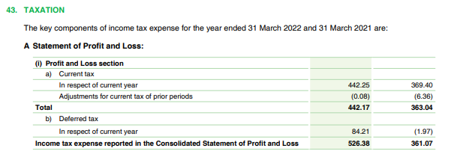
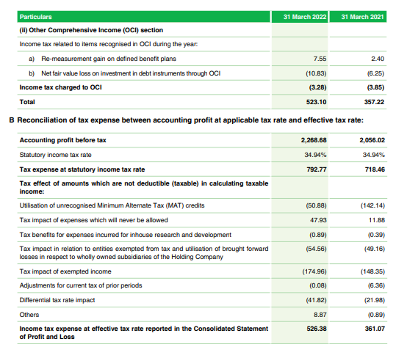
# | Company | FY | Financial Statement | Line Item Affected | Original Value | Adjustment made | Adjusted value | Adjustment Type | Reason | Notes
 | HUL | 2021 | Balance Sheet | Loans (NCA) | ₹ 251.00 | -₹ 140.00 | ₹ 111.00 | Reclassification (Asset Realignment) | ₹140 Cr security deposit moved to OFA (NCA) . Verified via Note 6 & 7 | 6
 | HUL | 2021 | Balance Sheet | Other Financial Assets (NCA) | ₹ 617.00 | ₹ 140.00 | ₹ 757.00 | Reclassification (Asset Realignment) | Receives deposit from Loans (NCA). Needed for YoY consistency | 7
 | HUL | 2021 | Balance Sheet | Loans (CA) | - | ₹ 34.00 | ₹ 34.00 | Backfill Entry / Reclassification | ₹34 Cr shifted from OFA (CA) to Loans (CA) .Based on FY22 backfill | 6
 | HUL | 2021 | Balance Sheet | Other Financial Assets (CA) | ₹ 1,188.00 | -₹ 34.00 | ₹ 1,154.00 | Backfill Entry / Matching Adjustment | Matching FY22 backfill values | 7
 | HUL | 2021 | Balance Sheet | Lease Liabilities (NCL) | - | ₹ 731.00 | ₹ 731.00 | Reclassification (Liability Split) | Other Financial Liabilities (1027 Cr.) split in two parts | -
 | HUL | 2021 | Balance Sheet | Other Financial Liabilities (NCL) | ₹ 1,027.00 | -₹ 731.00 | ₹ 296.00 | Reclassification (Liability Split) | 731 crore split and sent to Lease Liabilities. | -
 | HUL | 2021 | Balance Sheet | Lease Liabilities (NCL) | - | ₹ 278.00 | ₹ 278.00 | Reclassification (Liability Split) | Other Financial Liabilities (1206 Cr.) split in two parts | -
 | HUL | 2021 | Balance Sheet | Other Financial Liabilities (NCL) | ₹ 1,206.00 | -₹ 278.00 | ₹ 928.00 | Reclassification (Liability Split) | 278 crore split and sent to Lease Liabilities. | -
 | Dabur | 2021 | Income Statement | Current Tax (Tax Exp.) | ₹ 505.18 | -₹ 142.14 | ₹ 363.04 | Correction / Restatement | Current Tax was reclassified from ₹505.18 Cr to ₹363.04 Cr | 43
 | Dabur | 2021 | Income Statement | Deferred Tax Credit/Charge (Tax Exp.) | ₹ 144.11 | -₹ 142.14 | ₹ 1.97 | Correction / Restatement | Deferred Tax from ₹-144.11 Cr to ₹-1.97 Cr | 43

# | Note 6 (2020-21) & (2021-22)

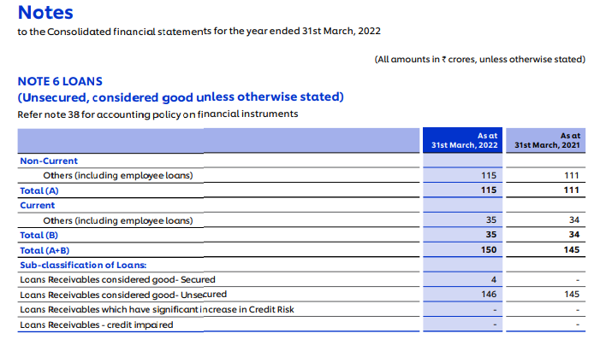

# | Note 7 (2020-21) & (2021-22)
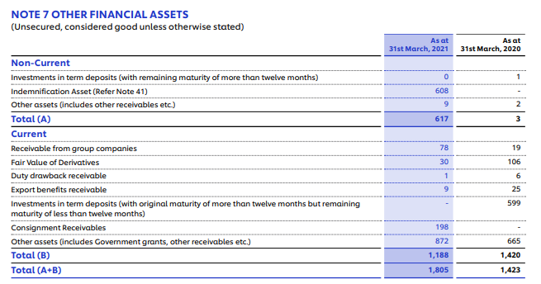

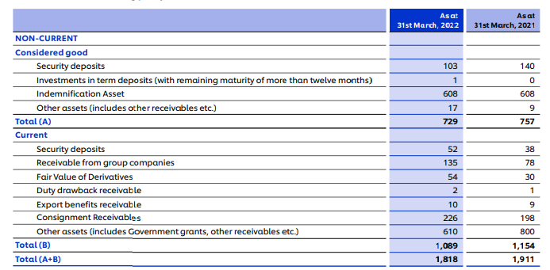

# | Note 43 (2020-21)
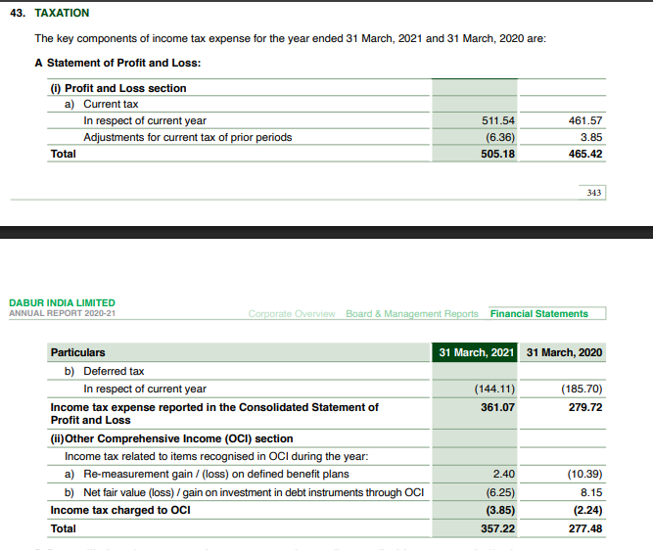

# | Note 43 (2021-22)

